DimHauptprojekt
DimHauptProjekt
Ist Delta möglich | x | Delta Spalte | Beispiel: Aktualisierungsdatum
Historisierungsbedarf | x | Alle Spalten | x

 | Spaltenname | Business Schlüssel | Referenz Attribut | Datentyp Orec | Datentyp Deltek | English | field Maconomy | Example | Comments | Maconomy
 | Hauptprojekt_Firmencode | x | x | nvarchar(25) |  | Main_project_company_code | companynumber | I1, M1, Z1 |  | maconomy://plwawsrpa03.group.ilf.com:8085/maconomy:Jobs;title='Projects'/Jobs_Filter;restriction=~(true),title='All%20Projects';focusKey=(JobNumber=~('K358'))/Section/JobHome_Information@Specification4Name
 | Hauptprojektnr | x |  | nvarchar(25) |  | Main_project_no. | jobnumber | H161 | link von project to main project, | maconomy://plwawsrpa03.group.ilf.com:8085/maconomy:Jobs;title='Projects'/Jobs_Filter;restriction=~(jobnumber%20=%20'K35852-200'),title='Sub%20Project:%20TAPI%20Gas%20Pipeline,%20Project%20Management%20and%20FEED%20Consultancy%20Services%20(K35852-200)';focusKey=(JobNumber=~('K35852-200'))@MainJobNumber
 | Hauptprojektname_DE |  |  | nvarchar(255) |  | Main_project_name | jobname | Lagos Cable Car Transit; Projektmanagement Phase 1 | gibt nur noch project name auf englisch in maconomy, bleibt so | maconomy://plwawsrpa03.group.ilf.com:8085/maconomy:Jobs;title='Projects'/Jobs_Filter;restriction=~(true),title='All%20Projects';focusKey=(JobNumber=~('10003'))@JobName
 | Hauptprojektname_EN |  |  | nvarchar(255) |  | Main_project_name | jobname | Lagos Cable Car Transit; PMC Service Phase 1 |  | maconomy://plwawsrpa03.group.ilf.com:8085/maconomy:Jobs;title='Projects'/Jobs_Filter;restriction=~(true),title='All%20Projects';focusKey=(JobNumber=~('10003'))@JobName
 | Hauptprojekt_Firma_Kurzname |  |  | nvarchar(50) |  | Main_project_company_shortname | Remark1 | ILF-AUT, ILF-GER | ist der executing company name - haben keine kurznamen mehr | maconomy://plwawsrpa03.group.ilf.com:8085/maconomy:SD_CompanyInfo;title='Company%20Information'/CompanyInfo;restriction=~(true),title='All';focusKey=(CompanyNumber=~('200'))/CompanyInfo@Remark1
 | Hauptprojekt_Auftragsdatum |  |  | datetime |  | Main_project_contract_date | date1 | 2018-02-06 00:00:00.000 |  | maconomy://plwawsrpa03.group.ilf.com:8085/maconomy:Jobs;title='Projects'/Jobs_Filter;restriction=~(true),title='All%20Projects';focusKey=(JobNumber=~('10002'))/Section/JobHome_Information@Date1
 | Hauptprojekt_GMB_Betreuernr |  |  | nvarchar(25) |  | Main_project_GMB_responsible_no. | employeenumber9 | 0410, 8000 | Employee no of GMB responsible, MCB fehlt, wird nachgereicht | Project Team Member 1
 | Hauptprojekt_GMB_Betreuername |  |  | nvarchar(255) |  | Main_project_GMB_responsible_name | employee9namevar | Jungclaussen Ulf, Dercz Andrzej | Employee no of GMB responsible, MCB fehlt, wird nachgereicht | Project Team Member 1
 | Hauptprojekt_Start |  |  | datetime |  | Main_project_start | StartingDate | 2018-02-02 00:00:00.000 |  | maconomy://plwawsrpa03.group.ilf.com:8085/maconomy:Jobs;title='Projects'/Jobs_Filter;restriction=~(true),title='All%20Projects';focusKey=(JobNumber=~('10003'))@StartingDate
 | Hauptprojekt_Ende |  |  | datetime |  | Main_project_end | date2 | 2018-12-31 00:00:00.000
 | Hauptprojekt_Federfuehrer_Firma |  |  | nvarchar(25) |  | Main_project_leader_company | companynumber | 05; 01 | leading department | maconomy://plwawsrpa03.group.ilf.com:8085/maconomy:Jobs;title='Projects'/Jobs_Filter;restriction=~(true),title='All%20Projects';focusKey=(JobNumber=~('10035-002'))/Section/JobHome_Information@CompanyNumber
 | Hauptprojekt_Federfuehrer_Konzern |  |  | nvarchar(25) |  | Main_project_leader_group | LocationName | 05; 01 | leading department | maconomy://plwawsrpa03.group.ilf.com:8085/maconomy:Jobs;title='Projects'/Jobs_Filter;restriction=~(true),title='All%20Projects';focusKey=(JobNumber=~('10035-002'))/Section/JobHome_Information/DerivedDimensions;focusKey=(LineNumber=~(1),DimCombVersionNumber=~('DimCombVersionHeader0DA171F0-A69E-4AE6-AFFB-9C82A62F743B'))@LocationName
 | Hauptprojekt_Plan_Ende |  |  | datetime |  | Main_project_planned_end | ExpectedEndingDate | 2021-12-31 00:00:00.000 |  | maconomy://plwawsrpa03.group.ilf.com:8085/maconomy:Jobs;title='Projects'/Jobs_Filter;restriction=~(true),title='All%20Projects';focusKey=(JobNumber=~('10001'))@ExpectedEndingDate
 | Hauptprojekt_Gewährleistungende |  |  | datetime |  | Main_project_warranty_end |  | 2023-12-31 00:00:00.000 | ??????, derzeit nicht notwendig | unknown
 | Hauptprojekt_Kundennr |  | x | nvarchar(25) |  | Main_project_customer_no. | CustomerNumber | 235148 |  | maconomy://plwawsrpa03.group.ilf.com:8085/maconomy:Jobs;title='Projects'/Jobs_Filter;restriction=~(true),title='All%20Projects';focusKey=(JobNumber=~('10002'))/Section/JobHome_Information@CustomerNumber
 | Hauptprojekt_Land |  |  | nvarchar(25) |  | Main_project_country | Specification3Name | FR, DZ, DE | country of projects | maconomy://plwawsrpa03.group.ilf.com:8085/maconomy:Jobs;title='Projects'/Jobs_Filter;restriction=~(true),title='All%20Projects';focusKey=(JobNumber=~('10002'))/Section/JobHome_Information/DerivedDimensions;focusKey=(LineNumber=~(1),DimCombVersionNumber=~('DimCombVersionHeaderE6BCD453-FF06-44EC-8F33-64F0F5529447'))@Specification3Name
 | Hauptprojekt_Projektart |  |  | nvarchar(25) |  | Main_project_project_type_IN-EX | InternalJob | IN, EX | internal or external, Internal ist bei X-Projekte standard | maconomy://plwawsrpa03.group.ilf.com:8085/maconomy:Jobs;title='Projects'/Jobs_Filter;restriction=~(true),title='All%20Projects';focusKey=(JobNumber=~('10002'))@InternalJob
 | Hauptprojekt_Projekttyp_F2 |  |  | nvarchar(25) |  | Main_project_project_type_F2 |  | Acquisition, Education, Project | Identifizierung Projekt/Akquise über Pro-Status, Rest über X-Projekte, Umsetzung im Staging | maconomy://plwawsrpa03.group.ilf.com:8085/maconomy:Jobs;title='Projects'/Jobs_Filter;restriction=~(jobnumber%20=%20'K35852-200'),title='Sub%20Project:%20TAPI%20Gas%20Pipeline,%20Project%20Management%20and%20FEED%20Consultancy%20Services%20(K35852-200)';focusKey=(JobNumber=~('K35852-200'))/Section/JobHome_Information@ProjectDescriptionVar
 | Hauptprojekt_Projektleiternr |  |  | nvarchar(25) |  | Main_project_project_manager_no. | ProjectManagerNumber | 6300, 11138 |  | maconomy://plwawsrpa03.group.ilf.com:8085/maconomy:Jobs;title='Projects'/Jobs_Filter;restriction=~(true),title='All%20Projects';focusKey=(JobNumber=~('10002'))/Section/JobHome_Information@ProjectManagerNumber
 | Hauptprojekt_Projektleitername |  |  | nvarchar(255) |  | Main_project_project_manager_name | ProjectManagerNameVar | DAWYOK, Suphak; DIERNHOFER, Florian |  | maconomy://plwawsrpa03.group.ilf.com:8085/maconomy:Jobs;title='Projects'/Jobs_Filter;restriction=~(true),title='All%20Projects';focusKey=(JobNumber=~('10002'))/Section/JobHome_Information@ProjectManagerNameVar
 | Hauptprojekt_Projektcontrollernr |  |  | nvarchar(25) |  | Main_project_project_controller_no. | EmployeeNumber7 | 8854 |  | maconomy://plwawsrpa03.group.ilf.com:8085/maconomy:Jobs;title='Projects'/Jobs_Filter;restriction=~(true),title='All%20Projects';focusKey=(JobNumber=~('10001-001'))/Section/JobHome_Information@EmployeeNumber7
 | Hauptprojekt_Projektcontrollername |  |  | nvarchar(255) |  | Main_project_project_controller_name | Employee7NameVar | FIDLER, Michael |  | maconomy://plwawsrpa03.group.ilf.com:8085/maconomy:Jobs;title='Projects'/Jobs_Filter;restriction=~(true),title='All%20Projects';focusKey=(JobNumber=~('10001-001'))/Section/JobHome_Information@Employee7NameVar
 | Hauptprojekt_AccountManagerNr |  |  | nvarchar(25) |  |  | AccountManagerNumber |  |  | maconomy://plwawsrpa03.group.ilf.com:8085/maconomy:Jobs;title='Projects'/Jobs_Filter;restriction=~(true),title='All%20Projects';focusKey=(JobNumber=~('10002'))/Section/JobHome_Information@AccountManagerNumber
 | Hauptprojekt_AccountManagerName |  |  | nvarchar(255) |  |  | AccountManagerNameVar |  |  | maconomy://plwawsrpa03.group.ilf.com:8085/maconomy:Jobs;title='Projects'/Jobs_Filter;restriction=~(true),title='All%20Projects';focusKey=(JobNumber=~('10002'))/Section/JobHome_Information@AccountManagerNameVar
 | Hauptprojekt_AcquisitionProjektleiternr |  |  | nvarchar(25) |  |  | SalesPersonNumber |  |  | maconomy://plwawsrpa03.group.ilf.com:8085/maconomy:Jobs;title='Projects'/Jobs_Filter;restriction=~(true),title='All%20Projects';focusKey=(JobNumber=~('10002'))/Section/JobHome_Information@SalesPersonNumber
 | Hauptprojekt_AcquisitionProjektleitername |  |  | nvarchar(255) |  |  | SalesPerson |  |  | maconomy://plwawsrpa03.group.ilf.com:8085/maconomy:Jobs;title='Projects'/Jobs_Filter;restriction=~(true),title='All%20Projects';focusKey=(JobNumber=~('10002'))/Section/JobHome_Information@SalesPerson
 | Hauptprojekt_DeputyProjektleiternr |  |  | nvarchar(25) |  |  | EmployeeNumber1 |  |  | maconomy://plwawsrpa03.group.ilf.com:8085/maconomy:Jobs;title='Projects'/Jobs_Filter;restriction=~(true),title='All%20Projects';focusKey=(JobNumber=~('10002'))/Section/JobHome_Information@EmployeeNumber1
 | Hauptprojekt_DeputyProjektleitername |  |  | nvarchar(255) |  |  | Employee1NameVar |  |  | maconomy://plwawsrpa03.group.ilf.com:8085/maconomy:Jobs;title='Projects'/Jobs_Filter;restriction=~(true),title='All%20Projects';focusKey=(JobNumber=~('10002'))/Section/JobHome_Information@Employee1NameVar
 | Hauptprojekt_EngineeringManagernr |  |  | nvarchar(25) |  |  | EmployeeNumber2 |  |  | maconomy://plwawsrpa03.group.ilf.com:8085/maconomy:Jobs;title='Projects'/Jobs_Filter;restriction=~(true),title='All%20Projects';focusKey=(JobNumber=~('10002'))/Section/JobHome_Information@EmployeeNumber2
 | Hauptprojekt_EngineeringManagername |  |  | nvarchar(255) |  |  | Employee2NameVar |  |  | maconomy://plwawsrpa03.group.ilf.com:8085/maconomy:Jobs;title='Projects'/Jobs_Filter;restriction=~(true),title='All%20Projects';focusKey=(JobNumber=~('10002'))/Section/JobHome_Information@Employee2NameVar
 | Hauptprojekt_ConstructionManagernr |  |  | nvarchar(25) |  |  | EmployeeNumber3 |  |  | maconomy://plwawsrpa03.group.ilf.com:8085/maconomy:Jobs;title='Projects'/Jobs_Filter;restriction=~(true),title='All%20Projects';focusKey=(JobNumber=~('10002'))/Section/JobHome_Information@EmployeeNumber3
 | Hauptprojekt_ConstructionManagername |  |  | nvarchar(255) |  |  | Employee3NameVar |  |  | maconomy://plwawsrpa03.group.ilf.com:8085/maconomy:Jobs;title='Projects'/Jobs_Filter;restriction=~(true),title='All%20Projects';focusKey=(JobNumber=~('10002'))/Section/JobHome_Information@Employee3NameVar
 | Hauptprojekt_ProcurementManagernr |  |  | nvarchar(25) |  |  | EmployeeNumber4 |  |  | maconomy://plwawsrpa03.group.ilf.com:8085/maconomy:Jobs;title='Projects'/Jobs_Filter;restriction=~(true),title='All%20Projects';focusKey=(JobNumber=~('10002'))/Section/JobHome_Information@EmployeeNumber4
 | Hauptprojekt_ProcurementManagername |  |  | nvarchar(255) |  |  | Employee4NameVar |  |  | maconomy://plwawsrpa03.group.ilf.com:8085/maconomy:Jobs;title='Projects'/Jobs_Filter;restriction=~(true),title='All%20Projects';focusKey=(JobNumber=~('10002'))/Section/JobHome_Information@Employee4NameVar
 | Hauptprojekt_CommissioningManagernr |  |  | nvarchar(25) |  |  | EmployeeNumber5 |  |  | maconomy://plwawsrpa03.group.ilf.com:8085/maconomy:Jobs;title='Projects'/Jobs_Filter;restriction=~(true),title='All%20Projects';focusKey=(JobNumber=~('10002'))/Section/JobHome_Information@EmployeeNumber5
 | Hauptprojekt_CommissioningManagername |  |  | nvarchar(255) |  |  | Employee5NameVar |  |  | maconomy://plwawsrpa03.group.ilf.com:8085/maconomy:Jobs;title='Projects'/Jobs_Filter;restriction=~(true),title='All%20Projects';focusKey=(JobNumber=~('10002'))/Section/JobHome_Information@Employee5NameVar
 | Hauptprojekt_ProjectTeamMemberrnr |  |  | nvarchar(25) |  |  | EmployeeNumber6 |  |  | maconomy://plwawsrpa03.group.ilf.com:8085/maconomy:Jobs;title='Projects'/Jobs_Filter;restriction=~(true),title='All%20Projects';focusKey=(JobNumber=~('10002'))/Section/JobHome_Information@EmployeeNumber6
 | Hauptprojekt_ProjectTeamMembername |  |  | nvarchar(255) |  |  | Employee6NameVar |  |  | maconomy://plwawsrpa03.group.ilf.com:8085/maconomy:Jobs;title='Projects'/Jobs_Filter;restriction=~(true),title='All%20Projects';focusKey=(JobNumber=~('10002'))/Section/JobHome_Information@Employee6NameVar
 | Hauptprojekt_GMBSupervisornr |  |  | nvarchar(25) |  |  | EmployeeNumber9 |  |  | maconomy://plwawsrpa03.group.ilf.com:8085/maconomy:Jobs;title='Projects'/Jobs_Filter;restriction=~(true),title='All%20Projects';focusKey=(JobNumber=~('10002'))/Section/JobHome_Information@EmployeeNumber9
 | Hauptprojekt_GMBSupervisorname |  |  | nvarchar(255) |  |  | Employee9NameVar |  |  | maconomy://plwawsrpa03.group.ilf.com:8085/maconomy:Jobs;title='Projects'/Jobs_Filter;restriction=~(true),title='All%20Projects';focusKey=(JobNumber=~('10002'))/Section/JobHome_Information@Employee9NameVar
 | Hauptprojekt_ManagingDirectornr |  |  | nvarchar(25) |  |  | EmployeeNumber8 |  |  | maconomy://plwawsrpa03.group.ilf.com:8085/maconomy:Jobs;title='Projects'/Jobs_Filter;restriction=~(true),title='All%20Projects';focusKey=(JobNumber=~('10001-001'))/Section/JobHome_Information@EmployeeNumber8
 | Hauptprojekt_ManagingDirectorname |  |  | nvarchar(255) |  |  | Employee8NameVar |  |  | maconomy://plwawsrpa03.group.ilf.com:8085/maconomy:Jobs;title='Projects'/Jobs_Filter;restriction=~(true),title='All%20Projects';focusKey=(JobNumber=~('10001-001'))/Section/JobHome_Information@Employee8NameVar
 | Hauptprojekt_DepartmentManagernr |  |  | nvarchar(25) |  |  | EmployeeNumber10 |  |  | maconomy://plwawsrpa03.group.ilf.com:8085/maconomy:Jobs;title='Projects'/Jobs_Filter;restriction=~(true),title='All%20Projects';focusKey=(JobNumber=~('10001-001'))/Section/JobHome_Information@EmployeeNumber10
 | Hauptprojekt_DepartmentManagername |  |  | nvarchar(255) |  |  | Employee10NameVar |  |  | maconomy://plwawsrpa03.group.ilf.com:8085/maconomy:Jobs;title='Projects'/Jobs_Filter;restriction=~(true),title='All%20Projects';focusKey=(JobNumber=~('10001-001'))/Section/JobHome_Information@Employee10NameVar
 | Hauptprojekt_VTNL |  |  | nvarchar(25) |  | Main_project_contracting_company | companynumber (von HauptProjekt - wenn HauptProjekt nummer ist leer) | I1, M1, Z1 |  | maconomy://plwawsrpa03.group.ilf.com:8085/maconomy:Jobs;title='Projects'/Jobs_Filter;restriction=~(true),title='All%20Projects';focusKey=(JobNumber=~('10001'))@MainJobNumber - er muss leer sein
 | Hauptprojekt_ProjektstatusCode |  |  | nvarchar(255) |  | Main_project_project_status | ProjectName | Akquisition Stugfe 1, Proj. N. Aufwand, |  | maconomy://plwawsrpa03.group.ilf.com:8085/maconomy:Jobs;title='Projects'/Jobs_Filter;restriction=~(true),title='All%20Projects';focusKey=(JobNumber=~('10001'))/Section/JobHome_Information/DerivedDimensions;focusKey=(LineNumber=~(0),DimCombVersionNumber=~('DimCombVersionHeaderF1AE7A16-028C-4865-9DF2-D10A7148B6C0'))@ProjectName
 | Hauptprojekt_ProjektstatusDesc |  |  |  |  |  | ProjectDescriptionVar |  |  | maconomy://plwawsrpa03.group.ilf.com:8085/maconomy:Jobs;title='Projects'/Jobs_Filter;restriction=~(true),title='All%20Projects';focusKey=(JobNumber=~('10001'))/Section/JobHome_Information/DerivedDimensions;focusKey=(LineNumber=~(0),DimCombVersionNumber=~('DimCombVersionHeaderF1AE7A16-028C-4865-9DF2-D10A7148B6C0'))@ProjectDescriptionVar
 | Hauptprojekt_Urauftragswert |  |  | numeric(18,0) |  | Main_project_original_contract_value |  |  | Budget check, bei Datamig definiert, Welche Budget ist Urbudget? | unknown
 | Hauptprojekt_Urmarge |  |  | numeric(30,8) |  | Main_project_original_margin |  |  | Budget check, bei Datamig definiert, Welche Budget ist Urbudget? | unknown
 | Hauptprojekt_Hauptgeschaeftsfeldcode |  |  | nvarchar(25) |  | Main_project_main_business_area_code | Specification1Name | OG, BI | nur HGF notwendig | maconomy://plwawsrpa03.group.ilf.com:8085/maconomy:Jobs;title='Projects'/Jobs_Filter;restriction=~(true),title='All%20Projects';focusKey=(JobNumber=~('10001'))/Section/JobHome_Information/DerivedDimensions;focusKey=(LineNumber=~(1),DimCombVersionNumber=~('DimCombVersionHeaderF1AE7A16-028C-4865-9DF2-D10A7148B6C0'))@Specification1Name
 | Hauptprojekt_Hauptgeschaeftsfeld_DE |  |  | nvarchar(255) |  | Main_project_main_business_area_name | Specification1DescriptionVar | Öl & Gas, Bau & Infrastruktur | nur HGF notwendig | maconomy://plwawsrpa03.group.ilf.com:8085/maconomy:Jobs;title='Projects'/Jobs_Filter;restriction=~(true),title='All%20Projects';focusKey=(JobNumber=~('10001'))/Section/JobHome_Information/DerivedDimensions;focusKey=(LineNumber=~(1),DimCombVersionNumber=~('DimCombVersionHeaderF1AE7A16-028C-4865-9DF2-D10A7148B6C0'))@Specification1DescriptionVar
 | Hauptprojekt_Hauptgeschaeftsfeld_EN |  |  | nvarchar(255) |  | Main_project_main_business_area_name | Specification1DescriptionVar | Oil & Gas, Transport & Structures | nur HGF notwendig | maconomy://plwawsrpa03.group.ilf.com:8085/maconomy:SD_Specification1;title='Business%20area'/Specification1;restriction=~(true),title='All';focusKey=(Specification1Name=~('11'))@Description
 | Hauptprojekt_Untergeschaeftsfeldcode (nvarchar(25), null) |  |  |  |  | Main_project_sub_business_area_code |  | H, A, E | wird erst nach SBB definiert und zugeordnet | unknown
 | Hauptprojekt_Untergeschaeftsfeld_DE (nvarchar(255), null) |  |  |  |  | Main_project_sub_business_area_name |  | Hochbau, Alpintechnik, Energie | wird erst nach SBB definiert und zugeordnet | unknown
 | Hauptprojekt_Untergeschaeftsfeld_EN (nvarchar(255), null) |  |  |  |  | Main_project_sub_business_area_name |  | building construction, energy | wird erst nach SBB definiert und zugeordnet | unknown
 | Hauptprojekt_Geschaeftsfeldcode (nvarchar(25), null) |  |  |  |  | Main_project_business_area_code |  | E5 | wird erst nach SBB definiert und zugeordnet | maconomy://plwawsrpa03.group.ilf.com:8085/maconomy:Jobs;title='Projects'/Jobs_Filter;restriction=~(true),title='All%20Projects';focusKey=(JobNumber=~('10002'))@Specification1Name
 | Hauptprojekt_Geschaeftsfeld_DE (nvarchar(255), null) |  |  |  |  | Main_project_business_area_name |  | Energieverteilsysteme | wird erst nach SBB definiert und zugeordnet | maconomy://plwawsrpa03.group.ilf.com:8085/maconomy:SD_Specification1;title='Business%20area'/Specification1;restriction=~(true),title='All';focusKey=(Specification1Name=~('11'))@Description
 | Hauptprojekt_Geschaeftsfeld_EN (nvarchar(255), null) |  |  |  |  | Main_project_business_area_name |  | Energy distribution systems | wird erst nach SBB definiert und zugeordnet | maconomy://plwawsrpa03.group.ilf.com:8085/maconomy:SD_Specification1;title='Business%20area'/Specification1;restriction=~(true),title='All';focusKey=(Specification1Name=~('11'))@Description
 | Hauptprojekt_HFProjekte |  |  | nvarchar(25) |  | Main_project_Hfprojects |  |  | definieren nach SBB | unknown
 | Hauptprojekt_Verrechnungscode |  |  | nvarchar(25) |  | Main_project_clearing_code |  | A, B, D |  | unknown
 | Hauptprojekt_Verrechnung_DE |  |  | nvarchar(255) |  | Main_project_clearing_name |  | Pauschal ohne Beteiligung, Aufwand mit Beteiligung | Keine Unterscheidung zwischen den Englischen und Deutschen Bezeichnungen in der 2 Spalte | maconomy://plwawsrpa03.group.ilf.com:8085/maconomy:Jobs;title='Projects'/Jobs_Filter;restriction=~(true),title='All%20Projects';focusKey=(JobNumber=~('10002-003'))@InvoicingPrinciple
 | Hauptprojekt_Verrechnung_EN |  |  | nvarchar(255) |  | Main_project_clearing_name |  |  |  | maconomy://plwawsrpa03.group.ilf.com:8085/maconomy:Jobs;title='Projects'/Jobs_Filter;restriction=~(true),title='All%20Projects';focusKey=(JobNumber=~('10002-003'))@InvoicingPrinciple
 | Hauptprojekt_VTNL_EXT |  |  | nvarchar(25) |  | Main_project_contracting_company_external | companynumber (von HauptProjekt - wenn HauptProjekt nummer ist leer) | P1, WA | company with the contract | maconomy://plwawsrpa03.group.ilf.com:8085/maconomy:Jobs;title='Projects'/Jobs_Filter;restriction=~(true),title='All%20Projects';focusKey=(JobNumber=~('10001'))@MainJobNumber - er muss leer sein
 | Hauptprojekt_Projektstatus_IFRS |  |  | nvarchar(5) |  | Main_project_project_status_IFRS |  | 03, 04, 04L | definieren nach SBB | unknown
 | Hauptprojekt_Fertigstatus |  |  | nvarchar(1) |  | Main_project_finish_Status |  | H F | definieren nach SBB | unknown
 | Hauptprojekt_Periode_HalbfertigAb |  |  | nvarchar(6) |  | Main_project_half_finished_from |  | 201709, 201712 | definieren nach SBB | unknown
 | Hauptprojekt_Periode_FertigAb |  |  | nvarchar(6) |  | Main_project_finished_from |  | 201807, 201812 | definieren nach SBB | unknown
 | SystemCode |  |  | nvarchar(10)

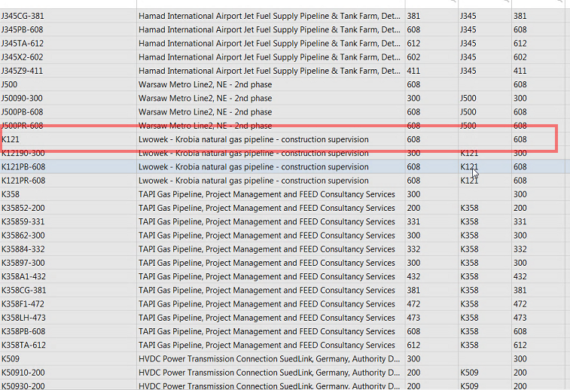
Filter: | maconomy://plwawsrpa03.group.ilf.com:8085/maconomy:Jobs;title='Projects'/Jobs_Filter;restriction=~(true),title='All%20Projects';focusKey=(JobNumber=~('1'))@MainJobNumber = muss leer sein

Anmerkungen
Erfasst von | Erfasst am | Beschreibung |  |  |  |  | Status
Gasper Zerak | 2018-11-09

DimArbeitsauftrag
DimArbeitsauftrag
Ist Delta möglich | x | Delta Spalte | Beispiel: Aktualisierungsdatum
Historisierungsbedarf | x | Alle Spalten | x

 | Spaltenname | Business Schlüssel | Referenz Attribut | Datentyp Orec | Datentyp Deltek | English | field Maconomy | Example | ExampleProject | Maconomy
 | Hauptprojekt_Firmencode | x | x | (nvarchar(25), null) |  | Main_project_company_code | companynumber | I1, M1, Z1 | 10002-002-CalcR (Haupt-Unter-Task) | maconomy://plwawsrpa03.group.ilf.com:8085/maconomy:Jobs;title='Projects'/Jobs_Filter;restriction=~(true),title='All%20Projects';focusKey=(JobNumber=~('K358'))/Section/JobHome_Information@Specification4Name
 | Hauptprojektnr | x | x | (nvarchar(25), null) |  | Main_project_no. | jobnumber | 5137, D722, O699 |  | maconomy://plwawsrpa03.group.ilf.com:8085/maconomy:Jobs;title='Projects'/Jobs_Filter;restriction=~(jobnumber%20=%20'K35852-200'),title='Sub%20Project:%20TAPI%20Gas%20Pipeline,%20Project%20Management%20and%20FEED%20Consultancy%20Services%20(K35852-200)';focusKey=(JobNumber=~('K35852-200'))@MainJobNumber
 | Unterprojektnr | x | x | (nvarchar(25), null) |  | subproject_no | jobnumber | 513710, D72264, O69996 |  | maconomy://plwawsrpa03.group.ilf.com:8085/maconomy:Jobs;title='Projects'/Jobs_Filter;restriction=~(true),title='All%20Projects';focusKey=(JobNumber=~('10002-001'))@JobNumber
 | Arbeitsauftragsnr (Tasknr) | x |  | (nvarchar(25), null) |  | Task_no. | TaskListHeaderTimeBudgetingTaskNameVar | 531710A0, 51371005; D72264A0 |  | maconomy://plwawsrpa03.group.ilf.com:8085/maconomy:Jobs;title='Projects'/Jobs_Filter;restriction=~(true),title='All%20Projects';focusKey=(JobNumber=~('10001-002'))/Section/JobTasks_Card@TaskListHeaderTimeBudgetingTaskNameVar
 | Arbeitsauftragsname |  |  | (nvarchar(255), null) |  | Task_name | Description | 1st Phase, 2nd Phase, Guide Design |  | maconomy://plwawsrpa03.group.ilf.com:8085/maconomy:Jobs;title='Projects'/Jobs_Filter;restriction=~(true),title='All%20Projects';focusKey=(JobNumber=~('10001-002'))/Section/JobTasks_Card/JobTasks;focusKey=(TaskName=~('GlMkp'),TaskList=~('10001-002'))@Description
 | SystemCode |  |  | nvarchar(10)
 | AktivitätCode |  | x | (nvarchar(25), null)
 | AktvitätName |  | x

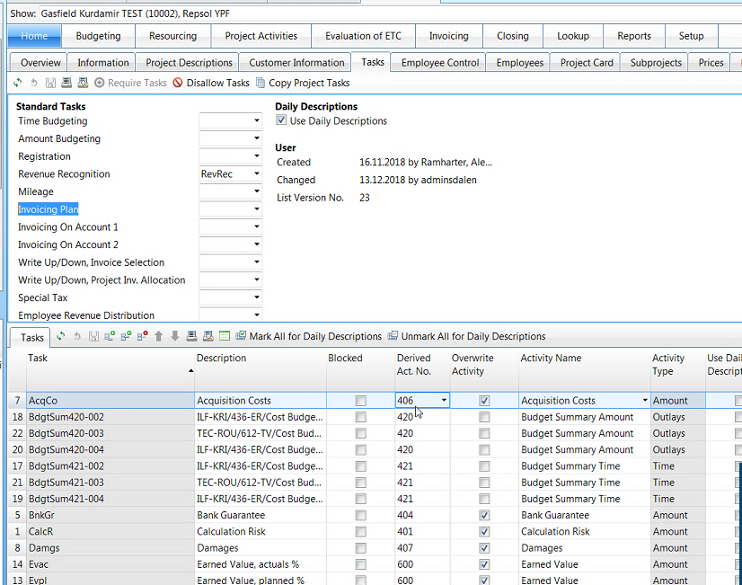
 | 10002-002-CalcR (Arbeitsauftrag) | Haupt->Unter->Aktivität->Arbeitsauftrag
 | 10002-002-CalcR1 (Arbeitsauftrag)

 | 10002-002-WthTk-01-403 (Aktivität)
 | 10002-002-Sbcnt(Task)-402001-608 (Aktivität)

Anmerkungen
Erfasst von | Erfasst am | Beschreibung |  |  |  |  | Status
Gasper Zerak | 2018-12-17 | werden Arbeitsaufträge auch auf Hauptprojektebene gemacht, oder sie gehen immer über Unterprojekt? Klärungsbedarf! |  |  |  |  | O
Gasper Zerak | 2018-12-17 | wie sieht die Hierarchie zum Hauptprojekt aus? |  |  |  |  | O
Gasper Zerak | 2018-12-18 | es kann ein Task auf einem HauptProjekt hängen (es wird nicht ausgewertet) |  |  |  |  | O

DimWährung
DimWährung
Ist Delta möglich | / | Delta Spalte | /
Historisierungsbedarf | / | Alle Spalten | /

 | Spaltenname | Business Schlüssel | Referenz Attribut | Datentyp Orec | Datentyp Deltek | English | field Maconomy | Example | Maconomy
 | WährungCode | x |  | nvarchar(25) |  |  | maconomy://plwawsrpa03.group.ilf.com:8085/maconomy:Currency;title='Currency%20Setup'/PopupFields;restriction=~(PopupTypeName%20=%20'CurrencyType'),title='Currency';focusKey=(PopupTypeName=~('CurrencyType'))/PopupFields;focusKey=(PopupItemNumber=~(1))@Name
 | ISO Code |  |  | nvarchar(4000) |  |  | maconomy://plwawsrpa03.group.ilf.com:8085/maconomy:Currency;title='Currency%20Setup'/PopupFields;restriction=~(PopupTypeName%20=%20'CurrencyType'),title='Currency';focusKey=(PopupTypeName=~('CurrencyType'))/PopupFields;focusKey=(PopupItemNumber=~(1))@String1
 | Monetary Unit 1 |  |  |  |  |  | maconomy://plwawsrpa03.group.ilf.com:8085/maconomy:Currency;title='Currency%20Setup'/PopupFields;restriction=~(PopupTypeName%20=%20'CurrencyType'),title='Currency';focusKey=(PopupTypeName=~('CurrencyType'))/PopupFields;focusKey=(PopupItemNumber=~(1))@String2
 | SystemCode |  |  | nvarchar(10)

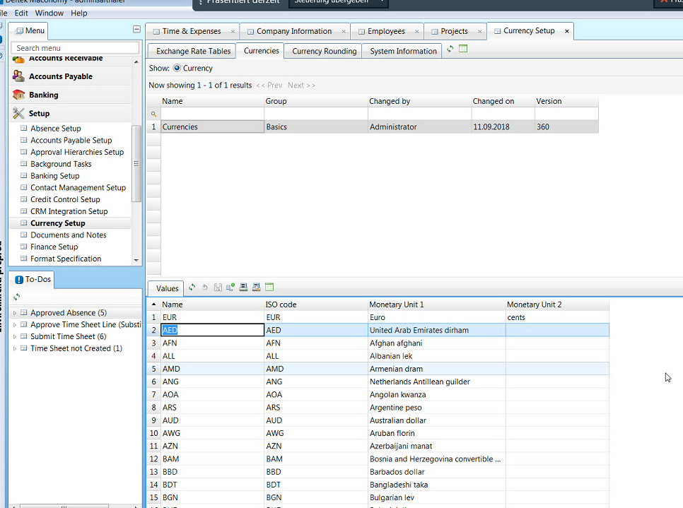

Anmerkungen
Erfasst von | Erfasst am | Beschreibung |  |  |  |  | Status
Gasper Zerak | 2018-11-09

DimKostenstelle
DimKostenstelle(Abteilung/Department)
Ist Delta möglich | / | Delta Spalte | /
Historisierungsbedarf | / | Alle Spalten | /

 | Spaltenname | Business Schlüssel | Referenz Attribut | Datentyp Orec | Datentyp Deltek | English | field Maconomy | Example | Maconomy
 | FirmenCode |  | x |  |  |  | LocationName |  | maconomy://plwawsrpa03.group.ilf.com:8085/maconomy:SD_Locations;title='Lead%20Departments'/Locations;restriction=~(true),title='All';focusKey=(LocationName=~('110-H1'))@LocationName (FirmenCOde + KostenstellenCode)
 | Kostenstellencode | x |  | nvarchar(25) |  |  | LocationName |  | maconomy://plwawsrpa03.group.ilf.com:8085/maconomy:SD_Locations;title='Lead%20Departments'/Locations;restriction=~(true),title='All';focusKey=(LocationName=~('110-H1'))@LocationName (FirmenCOde + KostenstellenCode)
 | Kostenstellenname |  |  | nvarchar(255) |  |  | Description |  | maconomy://plwawsrpa03.group.ilf.com:8085/maconomy:SD_Locations;title='Lead%20Departments'/Locations;restriction=~(true),title='All';focusKey=(LocationName=~('110-H1'))@Description
 | SystemCode |  |  | nvarchar(10)
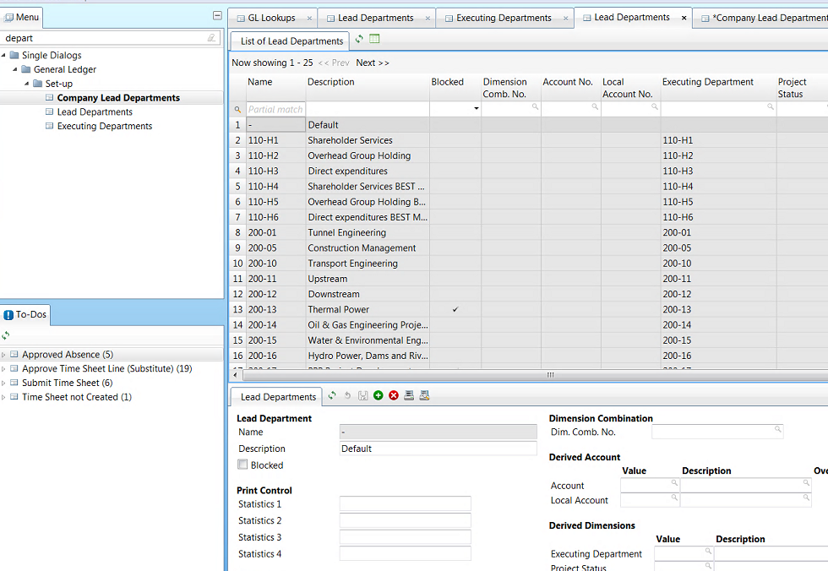

Anmerkungen
Erfasst von | Erfasst am | Beschreibung |  |  |  |  | Status
Gasper Zerak | 2018-12-17 | Unterschied zwischen Lead and Executing muss geklärt werden? |  |  |  |  | O

FaktSecurity_Projektbeteiligte
FaktSecurity_Projektbeteiligte
Ist Delta möglich | x | Delta Spalte | Beispiel: Transaktionsdatum

 | Spaltenname | Business Schlüssel | Referenz Attribut | Datentyp Orec | Datentyp Deltek | English | field Maconomy | Example | comments | Maconomy
 | Benutzer_AD_Account_Name | x | x | nvarchar(50) |  | User_AD_Account_name |  |  | stefan bichler | unknown
 | Firmencode | x | x | nvarchar(50) |  | Compnay No. |  |  |  | maconomy://plwawsrpa03.group.ilf.com:8085/maconomy:Jobs;title='Projects'/Jobs_Filter;restriction=~(true),title='All%20Projects';focusKey=(JobNumber=~('10002-001'))@CompanyNumber
 | Hauptprojektnr | x | x | nvarchar(25) |  | Main_projects_no |  |  |  | maconomy://plwawsrpa03.group.ilf.com:8085/maconomy:Jobs;title='Projects'/Jobs_Filter;restriction=~(true),title='All%20Projects';focusKey=(JobNumber=~('10002'))@JobNumber
 | Projektbeteiligter_DateFrom (date, null) |  |  |  |  | Projectparticipant_DateFrom |  |  |  | unknown
 | Projektbeteiligter_DateTo (date, null) |  |  |  |  | Projectparticipant_DateTo |  |  |  | unknown
 | ProjektbeteiligterTyp_ID |  |  | int |  | Projectparticipant_type_ID |  |  | Participants typs sind schon definiert und auf verschiedene Spalten aufgeteilt | maconomy://plwawsrpa03.group.ilf.com:8085/maconomy:Jobs;title='Projects'/Jobs_Filter;restriction=~(true),title='All%20Projects';focusKey=(JobNumber=~('O639'))/Section/JobHome_Information@AccountManagerNumber
 |  |  |  |  |  |  |  |  |  | maconomy://plwawsrpa03.group.ilf.com:8085/maconomy:Jobs;title='Projects'/Jobs_Filter;restriction=~(true),title='All%20Projects';focusKey=(JobNumber=~('O639'))/Section/JobHome_Information@ProjectManagerNumber
 |  |  |  |  |  |  |  |  |  | maconomy://plwawsrpa03.group.ilf.com:8085/maconomy:Jobs;title='Projects'/Jobs_Filter;restriction=~(true),title='All%20Projects';focusKey=(JobNumber=~('O639'))/Section/JobHome_Information@SalesPersonNumber
 |  |  |  |  |  |  |  |  |  | maconomy://plwawsrpa03.group.ilf.com:8085/maconomy:Jobs;title='Projects'/Jobs_Filter;restriction=~(true),title='All%20Projects';focusKey=(JobNumber=~('O639'))/Section/JobHome_Information@EmployeeNumber1
 |  |  |  |  |  |  |  |  |  | maconomy://plwawsrpa03.group.ilf.com:8085/maconomy:Jobs;title='Projects'/Jobs_Filter;restriction=~(true),title='All%20Projects';focusKey=(JobNumber=~('O639'))/Section/JobHome_Information@EmployeeNumber2
 |  |  |  |  |  |  |  |  |  | maconomy://plwawsrpa03.group.ilf.com:8085/maconomy:Jobs;title='Projects'/Jobs_Filter;restriction=~(true),title='All%20Projects';focusKey=(JobNumber=~('O639'))/Section/JobHome_Information@EmployeeNumber3
 |  |  |  |  |  |  |  |  |  | maconomy://plwawsrpa03.group.ilf.com:8085/maconomy:Jobs;title='Projects'/Jobs_Filter;restriction=~(true),title='All%20Projects';focusKey=(JobNumber=~('O639'))/Section/JobHome_Information@EmployeeNumber4
 |  |  |  |  |  |  |  |  |  | maconomy://plwawsrpa03.group.ilf.com:8085/maconomy:Jobs;title='Projects'/Jobs_Filter;restriction=~(true),title='All%20Projects';focusKey=(JobNumber=~('O639'))/Section/JobHome_Information@EmployeeNumber5
 |  |  |  |  |  |  |  |  |  | maconomy://plwawsrpa03.group.ilf.com:8085/maconomy:Jobs;title='Projects'/Jobs_Filter;restriction=~(true),title='All%20Projects';focusKey=(JobNumber=~('O639'))/Section/JobHome_Information@EmployeeNumber6
 |  |  |  |  |  |  |  |  |  | maconomy://plwawsrpa03.group.ilf.com:8085/maconomy:Jobs;title='Projects'/Jobs_Filter;restriction=~(true),title='All%20Projects';focusKey=(JobNumber=~('O639'))/Section/JobHome_Information@EmployeeNumber7
 |  |  |  |  |  |  |  |  |  | maconomy://plwawsrpa03.group.ilf.com:8085/maconomy:Jobs;title='Projects'/Jobs_Filter;restriction=~(true),title='All%20Projects';focusKey=(JobNumber=~('O639'))/Section/JobHome_Information@EmployeeNumber8
 |  |  |  |  |  |  |  |  |  | maconomy://plwawsrpa03.group.ilf.com:8085/maconomy:Jobs;title='Projects'/Jobs_Filter;restriction=~(true),title='All%20Projects';focusKey=(JobNumber=~('O639'))/Section/JobHome_Information@EmployeeNumber9
 |  |  |  |  |  |  |  |  |  | maconomy://plwawsrpa03.group.ilf.com:8085/maconomy:Jobs;title='Projects'/Jobs_Filter;restriction=~(true),title='All%20Projects';focusKey=(JobNumber=~('O639'))/Section/JobHome_Information@EmployeeNumber10
 | ProjektbeteiligterTyp_Name_DE |  |  | nvarchar(50) |  | Projectparticipant_type_DE |  |  | Participants typs sind schon definiert und auf verschiedene Spalten aufgeteilt | maconomy://plwawsrpa03.group.ilf.com:8085/maconomy:Jobs;title='Projects'/Jobs_Filter;restriction=~(true),title='All%20Projects';focusKey=(JobNumber=~('O639'))/Section/JobHome_Information@AccountManagerNameVar
 |  |  |  |  |  |  |  |  |  | maconomy://plwawsrpa03.group.ilf.com:8085/maconomy:Jobs;title='Projects'/Jobs_Filter;restriction=~(true),title='All%20Projects';focusKey=(JobNumber=~('O639'))/Section/JobHome_Information@ProjectManagerNameVar
 |  |  |  |  |  |  |  |  |  | maconomy://plwawsrpa03.group.ilf.com:8085/maconomy:Jobs;title='Projects'/Jobs_Filter;restriction=~(true),title='All%20Projects';focusKey=(JobNumber=~('O639'))/Section/JobHome_Information@SalesPerson
 |  |  |  |  |  |  |  |  |  | maconomy://plwawsrpa03.group.ilf.com:8085/maconomy:Jobs;title='Projects'/Jobs_Filter;restriction=~(true),title='All%20Projects';focusKey=(JobNumber=~('O639'))/Section/JobHome_Information@Employee1NameVar
 |  |  |  |  |  |  |  |  |  | maconomy://plwawsrpa03.group.ilf.com:8085/maconomy:Jobs;title='Projects'/Jobs_Filter;restriction=~(true),title='All%20Projects';focusKey=(JobNumber=~('O639'))/Section/JobHome_Information@Employee2NameVar
 |  |  |  |  |  |  |  |  |  | maconomy://plwawsrpa03.group.ilf.com:8085/maconomy:Jobs;title='Projects'/Jobs_Filter;restriction=~(true),title='All%20Projects';focusKey=(JobNumber=~('O639'))/Section/JobHome_Information@Employee3NameVar
 |  |  |  |  |  |  |  |  |  | maconomy://plwawsrpa03.group.ilf.com:8085/maconomy:Jobs;title='Projects'/Jobs_Filter;restriction=~(true),title='All%20Projects';focusKey=(JobNumber=~('O639'))/Section/JobHome_Information@Employee4NameVar
 |  |  |  |  |  |  |  |  |  | maconomy://plwawsrpa03.group.ilf.com:8085/maconomy:Jobs;title='Projects'/Jobs_Filter;restriction=~(true),title='All%20Projects';focusKey=(JobNumber=~('O639'))/Section/JobHome_Information@Employee5NameVar
 |  |  |  |  |  |  |  |  |  | maconomy://plwawsrpa03.group.ilf.com:8085/maconomy:Jobs;title='Projects'/Jobs_Filter;restriction=~(true),title='All%20Projects';focusKey=(JobNumber=~('O639'))/Section/JobHome_Information@Employee6NameVar
 |  |  |  |  |  |  |  |  |  | maconomy://plwawsrpa03.group.ilf.com:8085/maconomy:Jobs;title='Projects'/Jobs_Filter;restriction=~(true),title='All%20Projects';focusKey=(JobNumber=~('O639'))/Section/JobHome_Information@Employee9NameVar
 |  |  |  |  |  |  |  |  |  | maconomy://plwawsrpa03.group.ilf.com:8085/maconomy:Jobs;title='Projects'/Jobs_Filter;restriction=~(true),title='All%20Projects';focusKey=(JobNumber=~('O639'))/Section/JobHome_Information@Employee7NameVar
 |  |  |  |  |  |  |  |  |  | maconomy://plwawsrpa03.group.ilf.com:8085/maconomy:Jobs;title='Projects'/Jobs_Filter;restriction=~(true),title='All%20Projects';focusKey=(JobNumber=~('O639'))/Section/JobHome_Information@Employee8NameVar
 |  |  |  |  |  |  |  |  |  | maconomy://plwawsrpa03.group.ilf.com:8085/maconomy:Jobs;title='Projects'/Jobs_Filter;restriction=~(true),title='All%20Projects';focusKey=(JobNumber=~('O639'))/Section/JobHome_Information@Employee10NameVar
 | ProjektbeteiligterTyp_Name_EN |  |  | nvarchar(50) |  | Projectparticipant_type_EN |  |  | Participants typs sind schon definiert und auf verschiedene Spalten aufgeteilt | maconomy://plwawsrpa03.group.ilf.com:8085/maconomy:Jobs;title='Projects'/Jobs_Filter;restriction=~(true),title='All%20Projects';focusKey=(JobNumber=~('O639'))/Section/JobHome_Information@AccountManagerNameVar
 |  |  |  |  |  |  |  |  |  | maconomy://plwawsrpa03.group.ilf.com:8085/maconomy:Jobs;title='Projects'/Jobs_Filter;restriction=~(true),title='All%20Projects';focusKey=(JobNumber=~('O639'))/Section/JobHome_Information@ProjectManagerNameVar
 |  |  |  |  |  |  |  |  |  | maconomy://plwawsrpa03.group.ilf.com:8085/maconomy:Jobs;title='Projects'/Jobs_Filter;restriction=~(true),title='All%20Projects';focusKey=(JobNumber=~('O639'))/Section/JobHome_Information@SalesPerson
 |  |  |  |  |  |  |  |  |  | maconomy://plwawsrpa03.group.ilf.com:8085/maconomy:Jobs;title='Projects'/Jobs_Filter;restriction=~(true),title='All%20Projects';focusKey=(JobNumber=~('O639'))/Section/JobHome_Information@Employee1NameVar
 |  |  |  |  |  |  |  |  |  | maconomy://plwawsrpa03.group.ilf.com:8085/maconomy:Jobs;title='Projects'/Jobs_Filter;restriction=~(true),title='All%20Projects';focusKey=(JobNumber=~('O639'))/Section/JobHome_Information@Employee2NameVar
 |  |  |  |  |  |  |  |  |  | maconomy://plwawsrpa03.group.ilf.com:8085/maconomy:Jobs;title='Projects'/Jobs_Filter;restriction=~(true),title='All%20Projects';focusKey=(JobNumber=~('O639'))/Section/JobHome_Information@Employee3NameVar
 |  |  |  |  |  |  |  |  |  | maconomy://plwawsrpa03.group.ilf.com:8085/maconomy:Jobs;title='Projects'/Jobs_Filter;restriction=~(true),title='All%20Projects';focusKey=(JobNumber=~('O639'))/Section/JobHome_Information@Employee4NameVar
 |  |  |  |  |  |  |  |  |  | maconomy://plwawsrpa03.group.ilf.com:8085/maconomy:Jobs;title='Projects'/Jobs_Filter;restriction=~(true),title='All%20Projects';focusKey=(JobNumber=~('O639'))/Section/JobHome_Information@Employee5NameVar
 |  |  |  |  |  |  |  |  |  | maconomy://plwawsrpa03.group.ilf.com:8085/maconomy:Jobs;title='Projects'/Jobs_Filter;restriction=~(true),title='All%20Projects';focusKey=(JobNumber=~('O639'))/Section/JobHome_Information@Employee6NameVar
 |  |  |  |  |  |  |  |  |  | maconomy://plwawsrpa03.group.ilf.com:8085/maconomy:Jobs;title='Projects'/Jobs_Filter;restriction=~(true),title='All%20Projects';focusKey=(JobNumber=~('O639'))/Section/JobHome_Information@Employee9NameVar
 |  |  |  |  |  |  |  |  |  | maconomy://plwawsrpa03.group.ilf.com:8085/maconomy:Jobs;title='Projects'/Jobs_Filter;restriction=~(true),title='All%20Projects';focusKey=(JobNumber=~('O639'))/Section/JobHome_Information@Employee7NameVar
 |  |  |  |  |  |  |  |  |  | maconomy://plwawsrpa03.group.ilf.com:8085/maconomy:Jobs;title='Projects'/Jobs_Filter;restriction=~(true),title='All%20Projects';focusKey=(JobNumber=~('O639'))/Section/JobHome_Information@Employee8NameVar
 |  |  |  |  |  |  |  |  |  | maconomy://plwawsrpa03.group.ilf.com:8085/maconomy:Jobs;title='Projects'/Jobs_Filter;restriction=~(true),title='All%20Projects';focusKey=(JobNumber=~('O639'))/Section/JobHome_Information@Employee10NameVar
 | SystemCode |  |  | nvarchar(10)
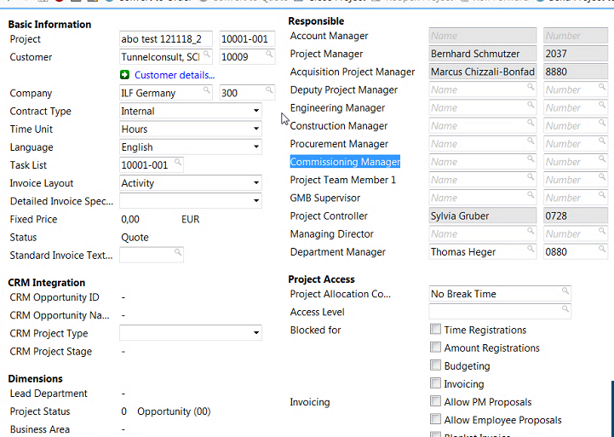

Anmerkungen
Erfasst von | Erfasst am | Beschreibung |  |  |  |  |  | Status
Gasper Zerak | 2018-11-09

FaktSecurity_Funktionen
FaktSecurity_Funktionen
Ist Delta möglich | x | Delta Spalte | Beispiel: Aktualisierungsdatum

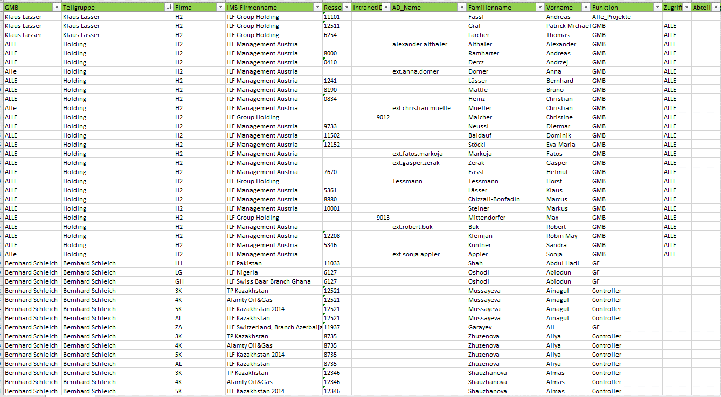
 | Spaltennamen | Business Schlüssel | Referenz Attribut | Datentyp Orec | Datentyp Deltek | English | field Maconomy | Example | Maconomy
 | Benutzer_AD_Account_Name | x | x | nvarchar(50)
 | Firmencode | x | x | nvarchar(50)
 | Kostenstellencode | x | x | nvarchar(50)
 | Funktion |  |  | nvarchar(50)
 | GMB |  |  | nvarchar(50)
 | Teilgruppe |  |  | nvarchar(50)
 | Zugriff_Teilgruppe |  |  | nvarchar(50)
 | System_Code | x | x | nvarchar(10)

Anmerkungen
Erfasst von | Erfasst am | Beschreibung |  |  |  |  | Status
Gasper Zerak | 2018-11-09

